1. Title Page
Basket Analysis

Project Name: Instacart Grocery Basket Analysis
Date: 05/2024
Analyst Name: Colin Widner

Contents:
Population Flow
Consistency checks
Wrangling steps
Column derivations
Visualizations
Recommendations

Citation
The Instacart Online Grocery Shopping Dataset 2017 | http://www.instacart.com/datasets/grocery-shopping-2017

2. Population Flow
Title page

Population flow

Exclusion flag
Condition: max_order < 5
Obervations to be removed: 14,40,295
Final total count of order_products_all: 30,964,564

Orders_products_combined
Orders_products_merged
Orders_products_all

Total: 32,434,489
Total: 32,404,859
Total: 32,404,859

1.) The grey boxes in the first row of the population flow represent the original data sets as they were when you downloaded them. In the Total fields you need to add the count of the rows when you imported the data set into Jupyter.
2.) The second row of boxes (coloured) represents the data sets after you manipulated them, e.g., removed missing values and duplicates. In the Total fields you need to add the count of the rows after conducting these operations. This offers a visual oveview of how the data flows throughout the data consistency checks.
3.) The third row, where also the arrows are coloured, represents the merges you performed between the datasets. In the Total fields you need to add the count of the rows in the merged datasets, so that you end up with the final dataset (in the red box). Keep in mind the final dataset should be without exclusions (based on the exclusion flag).

3. Consistency checks
 |  |  |  | Title page
Consistency checks

Dataset | Missing values | Missing values treatment | Duplicates
products | product_name | dropped missing values
products |  |  | dropped 5 duplicate records
orders | days_since_prior_order |  | created first_order flag for nan values

4. Wrangling steps
 |  |  |  |  | Title page
Wrangling steps

Dataframe | Columns dropped | Columns renamed | Columns' type changed | Comment/Reason
orders | eval_set |  |  | Unnecessary column in orders dataset
orders |  | order_dow |  | Changed to order_day_of_week
orders |  |  | order_id | Changed to string
orders |  |  | user_id | Changed to string
products |  |  | product_id | Changed to string
products |  |  | aisle_id | Changed to string
products |  |  | department_id | Changed to string
orders_products_prior |  |  | order_id | Changed to string
orders_products_prior |  |  | department_id | Changed to string
customers | First Name |  |  | column not necessary to analysis
customers | Surnam |  |  | column not necessary to analysis
customers | Gender |  |  | column not necessary to analysis
customers | date_joined |  |  | column not necessary to analysis
customers |  | STATE |  | Changed to state
customers |  | Age |  | Changed to age
customers |  | n_dependants |  | Changed to number_of_dependents
customers |  |  | user_id | Changed to string

5. Column derivations
 |  |  |  | Title page

Column derivations and aggregations

In this tab you should add tables below that the frequences of flags/label variables that you produced after deriving them. NB: don't do this for continuous variables, only for flags.
Dataset | New column | Column/s it was derived from | Conditions
ords_prods_merge | price_range | prices | value > 15 - 'High range product' value <= 5 - 'Low range product' else - 'Mid range product'
ords_prods_merge | busiest_day | order_day_of_week | value = 0 - 'Busiest day' value = 4 - 'Least busy' else - 'Regularly busy'
ords_prods_merge | busiest_days | order_day_of_week | value 0 or 1 - 'Busiest days' value 3 or 4 - 'Slowest days' else - 'Regularly busy'
ords_prods_merge | busiest_period_of_day | order_hour_of_day | value 9-16 - 'Most orders' value 0-6 and 23 - 'Fewest orders' else - 'Average orders'
ords_prods_merge | max_order | user_id and order_number | Represents the amount of orders a customer has made
ords_prods_merge | loyalty_flag | max_order | value > 40 - 'Loyal customer' value <= 10 - 'New customer' else - 'Regular customer'
ords_prods_merge | average_spend | user_id and prices | Represents the average amount spent per order for each customer
ords_prods_merge | spender_flag | average_spend | value < 10 - 'Low spender' vaLue >= 10 - 'High spender'
ords_prods_merge | median_frequency | user_id and days_since_prior_order | Represents the median time between orders for each customer
ords_prods_merge | frequency_flag | median_frequency | value > 20 - 'Non-frequent customer' value <= 10 - 'Frequent customer' else - 'Regular customer'
ords_prods_all | region | state | Places customers in a region based on the state they live in
ords_prods_all | low_activity | max_order | value >= 5 - no else - yes
ords_prods_all_excluded | age_group | age | value is between 18 and 29 - Young adult value is between 30 and 59 - Middle age else - Senior
ords_prods_all_excluded | income_group | income | value < 75,000 - low income value is between 75,000 and 120,000 - Mid income value > 120,000 - high income
ords_prods_all_excluded | profile_age | age_group, fam_status, number_of_dependents | Compares customers to age_group, family status, and kids
ords_prods_all_excluded | profile_income | income_group, fam_status, number_of_dependents | Compares customers to income_group, family status, and kids

6. Visualizations
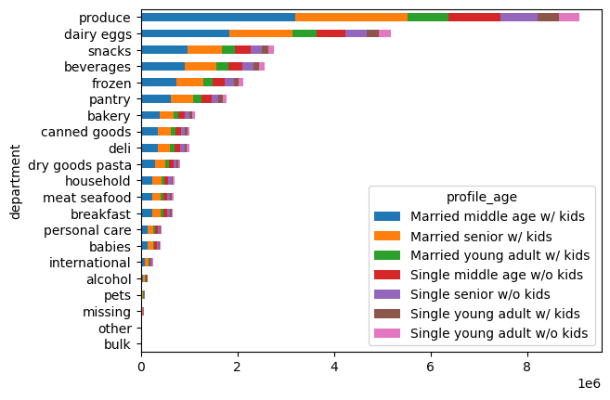
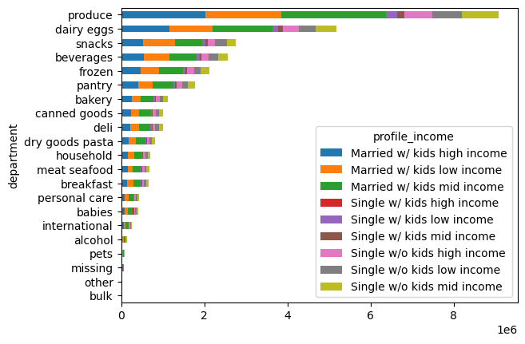
 |  |  |  |  |  |  |  |  |  |  |  |  |  | Title page

Visualisations

In this tab you should include all the visualtions from Exercises 4.9 and 4.10, alongside the questions from the project brief that they answer. Include any commentary on the relationship between different variables.

Question 1: What are the busiest days of the week and hours of the day in terms of orders?

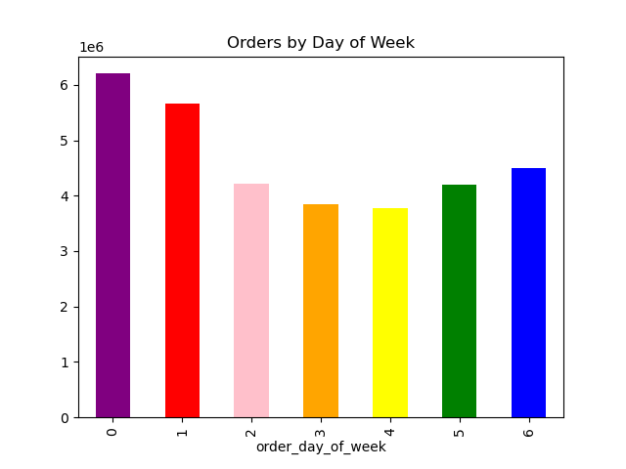


The weekends Saturday (0) and Sunday (1) are the busiest days in terms of orders, with Staurday being the most busy.
Tuesday (3) and Wednesday (4) are the least busy
Between the hours of 9am and 4pm are the busiest times of the day in terms of orders made

Question 2: Are there particular times when people spend the most money
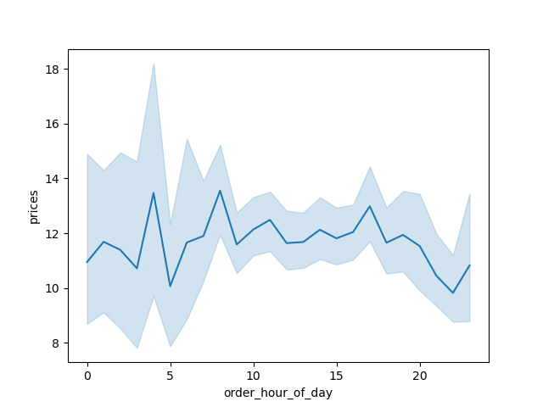

Compared to the histogram above, the prices by the hour of day does not change significantly throughout the day.
This suggests that during the busier times of day, customers are purchasing low-cost items while higher cost items
are being purchased during off-peak hours.

Question 3: Instacart has a lot of products with different price tags. Marketing and sales want to use simpler price range groupings to help direct their efforts.


There is a left-skew in the dristibution of prices, where thare are more orders being made for products that are less than $15
The values of the price ranges are as follows:
- Mid-range product ($5.01 - $14.99) = 20,891,771 orders
- Low-range product ($5 or less) = 9,674,840 orders
- High-range product ($15 or more) = 397,953 orders

Question 4: Are there certain types of products that are more popular than others?

The 5 most popular departments in terms of orders are:
- Produce
- Dairy/Eggs
- Snacks
- Beverages
- Frozen
department | sum
produce | 167927778
dairy eggs | 94870281
snacks | 49325997
beverages | 46040831
frozen | 34288740
pantry | 30891281
bakery | 20014199
deli | 17210535
canned goods | 17138317
dry goods pasta | 13674604
breakfast | 11719741
household | 11504889
meat seafood | 11185784
babies | 8153295
personal care | 7184940
international | 4396567
alcohol | 2318982
missing | 1572653
pets | 1488581
bulk | 695699
other | 622718

Question 5: What is the distribution among users in regards to their brand loyalty and their differences in ordering habits based on a customer's loyalty status?

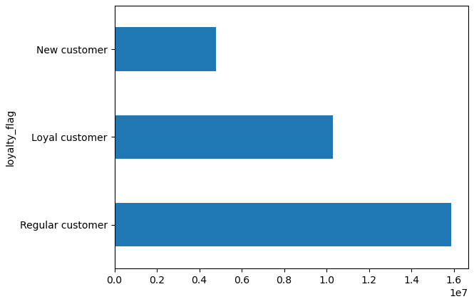
 |  |  |  |  |  |  |  |  | days_since_prior_order |  |  | prices
 |  |  |  |  |  |  |  |  | min | max | mean | min | max | mean
 |  |  |  |  |  |  |  | loyalty_flag
 |  |  |  |  |  |  |  | Loyal customer | 0 | 30 | 6.026656151 | 1 | 25 | 7.7735745927
 |  |  |  |  |  |  |  | New customer | 0 | 30 | 17.598690953 | 1 | 25 | 7.8016647386
 |  |  |  |  |  |  |  | Regular customer | 0 | 30 | 12.155135455 | 1 | 25 | 7.7982618132

The number of loyal customers are as follows:
- New Customer (10 or less orders made) = 4,803,695 customers
- Loyal Customer (More than 40 orders made = 10,284,093 customers
- Regular Customer (Between 11 and 40 orders made = 15,876,776 customers
Loyal customers on average order every 6 days which is sigificantly more often than
new and regular customers
There does not seem to be any significant difference in the amount spent between
customer loyalties.

Question 6: Are there any differences in ordering habits based on a customer's region?
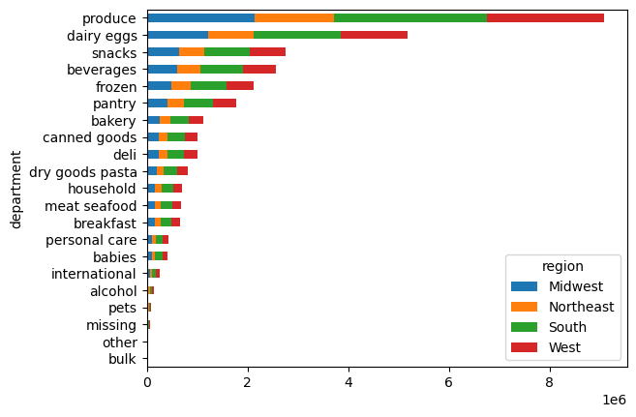
 | days_since_prior_order |  |  | prices
 | min | max | mean | min | max | mean
region
Midwest | 0 | 30 | 10.892736 | 1 | 25 | 7.792318
Northeast | 0 | 30 | 10.77422 | 1 | 25 | 7.781441
South | 0 | 30 | 10.814227 | 1 | 25 | 7.794439
West | 0 | 30 | 10.754622 | 1 | 25 | 7.790308

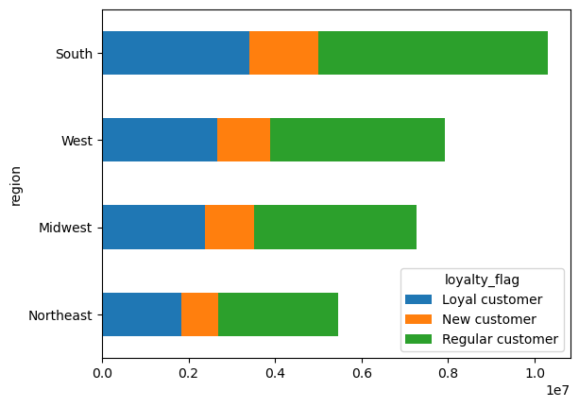

There seems to be no discernable differences in ordering habits between regions.
All four regions average about the same length between orders, and spend the same
on average. Furthermore, each region has about the same distribution of loyal status
and also purchase the same types of products.

Question 7: What differences are there in the ordering habits of different customer profiles

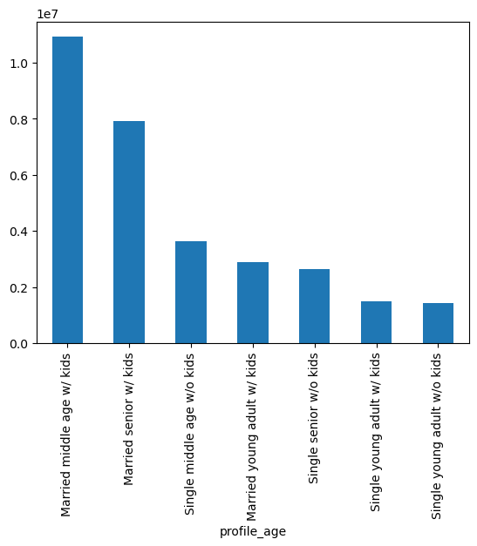
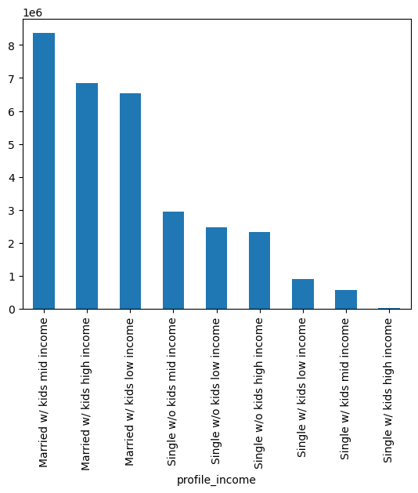
The bulk of customers for Instacart seem to be senior to middle aged persons who are married with children and have medium to high incomes.
The distribution of profiles are the same throughout the regions with the South region having the largest overall customer base.

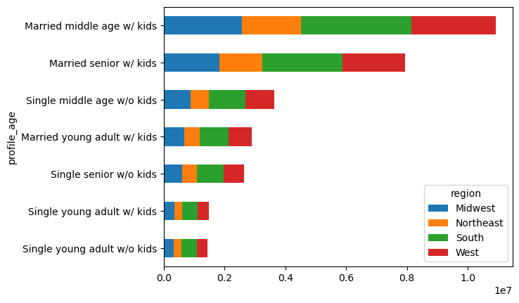
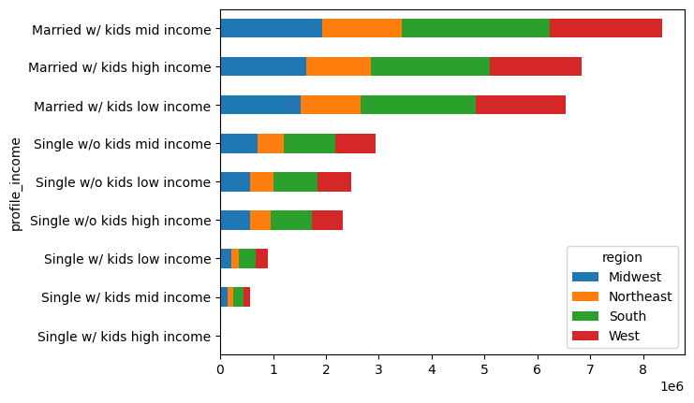

There does not seem to be a discernable difference in ordering habits between the ages of the customers.
However, it seems that higher income earners spend slightly more on average than lower income earners.
 | days_since_prior_order |  |  | prices |  |  |  | days_since_prior_order |  |  | prices
 | min | max | mean | min | max | mean |  | min | max | mean | min | max | mean
profile_age |  |  |  |  |  |  | profile_income
Married middle age w/ kids | 0 | 30 | 10.829788 | 1 | 25 | 7.790997 | Married w/ kids high income | 0 | 30 | 10.798805 | 1 | 25 | 7.95452
Married senior w/ kids | 0 | 30 | 10.817469 | 1 | 25 | 7.793589 | Married w/ kids low income | 0 | 30 | 10.910907 | 1 | 25 | 7.408358
Married young adult w/ kids | 0 | 30 | 10.796514 | 1 | 25 | 7.778475 | Married w/ kids mid income | 0 | 30 | 10.7687 | 1 | 25 | 7.954473
Single middle age w/o kids | 0 | 30 | 10.771922 | 1 | 25 | 7.788679 | Single w/ kids high income | 0 | 30 | 9.153272 | 1 | 25 | 7.966809
Single senior w/o kids | 0 | 30 | 10.750328 | 1 | 25 | 7.801014 | Single w/ kids low income | 0 | 30 | 10.810986 | 1 | 25 | 7.697549
Single young adult w/ kids | 0 | 30 | 10.750995 | 1 | 25 | 7.800604 | Single w/ kids mid income | 0 | 30 | 10.708635 | 1 | 25 | 7.957767
Single young adult w/o kids | 0 | 30 | 10.918571 | 1 | 25 | 7.770795 | Single w/o kids high income | 0 | 30 | 10.658271 | 1 | 25 | 7.944965
 |  |  |  |  |  |  | Single w/o kids low income | 0 | 30 | 10.907324 | 1 | 25 | 7.439104
 |  |  |  |  |  |  | Single w/o kids mid income | 0 | 30 | 10.800629 | 1 | 25 | 7.961655

7. Recommendations
 |  | Title page

Recommendations

In this tab you should include any recommendations you would made to Instcart in terms of their marketing strategy based on the questions posed in the brief. Every key question has been covered in the Tasks of the Exercises - here you need to add an item - a visualisation or table/crosstable that is showing the answer in the data, acompanied by a comment from you. Please, list the questions below and add the answer underneath.

Question | Answer
Key Question 1 | The busiest days of the week are Saturday and Sunday, and the peak shopping times are between 9am and 4pm. With this information it is recommended to schedule advertisements on the less busier days (Tuesday and Wednesday being the least busy) in order to try to increase sales during less busier days.

Key Question 2 | The money spent by the hour of day is relativly consistent throughout the day. This suggests that during peak hours, customers usually buy cheaper products, while more expensive items are purchased during off-peak hours. So we should advertise cheaper products during the busiest times and our more expensive products during off-peak hours.

Key Question 3 | With the current price ranges, there is a lef-skew with the amount of products offered per price. To correct this we should create new price tiers where low-end products a $5 or less, medium tier products are between $5-$10, and high-end products are $10 or more. This creates a more balanced distribution of products

Key Question 4 | The top 5 types of products that are purchased are produce, dairy/eggs, snacks, beverages, and frozen. The marketing and sales teams should focus on these procuts for customer advertising and sales.

Key Question 5 | Loyal customers on average order every 6 days which is almost a week more often than regular customers. We should consider a loyalty incentive program to encourage more regular customers to become loyal customers, thus more frequent customers.

Key Question 6 | Since there seems to be no discernable differences in ordering habits between regions, we can have a general plan of advertising and sales that would be effective nationwide.

Key Question 7 | When looking at the customer profile age, the profiles spending the least on Instacart are single young adults with low or mid incomes. We should conduct further research on why this specific demographic is not drawn to buying from Instacart.

